BOARD-INFO
 | DEVICE | BASE | OFFSET | NAME | RW | 31 | 30 | 29 | 28 | 27 | 26 | 25 | 24 | 23 | 22 | 21 | 20 | 19 | 18 | 17 | 16 | 15 | 14 | 13 | 12 | 11 | 10 | 9 | 8 | 7 | 6 | 5 | 4 | 3 | 2 | 1 | 0
0 | BOARD-ID @ CTRL | 0000_0 | 000 | NAME | RO | "BOARD-INFO"
1 |  |  | 004 |  | RO
2 |  |  | 008 |  | RO
3 |  |  | 00C |  | RO
4 |  |  | 010 | VERSION | RO |  |  |  |  |  |  |  |  |  |  |  |  |  |  |  |  | MAJOR ( DECIMAL ) |  |  |  |  |  |  |  | MINOR ( DECIMAL )
5 |  |  | 014 | DATE | RO |  |  |  |  |  |  |  |  | YEAR ( DECIMAL ) |  |  |  |  |  |  |  | MONTH ( DECIMAL ) |  |  |  |  |  |  |  | DATE ( DECIMAL )
6 |  |  | 018
7 |  |  | 01C
8 |  |  | 020 | TPCB.REV | RO |  |  |  |  |  |  |  |  |  |  |  |  |  |  |  |  |  |  |  |  |  |  |  |  |  |  |  |  | TPCB.REV[3:0]
9 |  |  | 024 | SLOT.ID | RO |  |  |  |  |  |  |  |  |  |  |  |  |  |  |  |  |  |  |  |  |  |  |  |  | SLOT.ID[7:0]
10 |  |  | 028
11 |  |  | 02C | LED | RW |  |  |  |  |  |  |  |  |  |  |  |  |  |  |  | ERR |  |  |  |  |  |  |  | ON |  |  |  |  |  |  |  | ACT
12 |  |  | 030 | BIB.nBD.CHK | RO |  |  |  |  |  |  |  |  |  |  |  |  | CTRL.RLY.DGS[3:0] |  |  |  |  |  |  |  | BIB.PWR.SENSE.SEL[3:0] |  |  |  |  |  |  |  | BIB.nBD.CHK[3:0]
13 |  |  | 034 | BIB.ID.DIR | RW | BIB.ID.DIR[31:0]
14 |  |  | 038 | BIB.ID.OUT | RW | BIB.ID.OUT[31:0]
15 |  |  | 03C | BIB.ID.IN | RO | BIB.ID.VAL[31:0]

 |  |  |  |  |  |  | TPCB.REV [ 0x0000_0_020 ]
 |  |  |  |  |  |  | TPCB.REV |  | 4-bit

 |  |  |  |  |  |  | SLOT.ID [ 0x0000_0_024 ]
 |  |  |  |  |  |  | SLOT.ID |  | 8-bit read-only SLOT-ID

CTRL.RLY.DGS[3:0] = BIB.nBD.CHK[3:0]
BIB.PWR.SENSE.SEL[3:0] = BIB.nBD.CHK[3:0]
 |  |  |  |  |  |  | BIB.nBD.CHK [ 0x0000_0_030 ]
 |  |  |  |  |  |  | nBD.CHK |  | Active LOW; nBD.CHK = 0 indicates BIB is inserted.

 |  |  |  |  |  |  | BIB.ID.DIR [ 0x0000_0_034 ]
 |  |  |  |  |  |  | ID.DIR |  | 0 for Output, 1 for Input

 |  |  |  |  |  |  | BIB.ID.VAL [ 0x0000_0_038 ]
 |  |  |  |  |  |  | ID.OUT |  | Output value

 |  |  |  |  |  |  | BIB.ID.VAL [ 0x0000_0_03C ]
 |  |  |  |  |  |  | ID.IN |  | Input value

CFGx8-C2X
 |  |  |  |  |  | 3 |  |  |  |  |  |  |  | 2 |  |  |  |  |  |  |  | 1 |  |  |  |  |  |  |  | 0
 | DEVICE | BASE | OFFSET | NAME | RW | 31 | 30 | 29 | 28 | 27 | 26 | 25 | 24 | 23 | 22 | 21 | 20 | 19 | 18 | 17 | 16 | 15 | 14 | 13 | 12 | 11 | 10 | 9 | 8 | 7 | 6 | 5 | 4 | 3 | 2 | 1 | 0
0 | CFGx8-C2X @ CTRL to TGPG | 0000_1 | 000 | NAME | RO | "CFGx8-C2X"
1 |  |  | 004 |  | RO
2 |  |  | 008 |  | RO
3 |  |  | 00C |  | RO
4 |  |  | 010 | VERSION | RO |  |  |  |  |  |  |  |  |  |  |  |  |  |  |  |  | MAJOR ( DECIMAL ) |  |  |  |  |  |  |  | MINOR ( DECIMAL )
5 |  |  | 014 | DATE | RO |  |  |  |  |  |  |  |  | YEAR ( DECIMAL ) |  |  |  |  |  |  |  | MONTH ( DECIMAL ) |  |  |  |  |  |  |  | DATE ( DECIMAL )
6 |  |  | 018 | DUMMY | RW
7 |  |  | 01C | DUMMY | RW
8 |  |  | 020 | CMD | RW | RST |  |  |  |  |  | LAST | START | PG.3 | PG.2 | PG.1 | PG.0 |  |  | TG.1 | TG.0 | BURST.LENGTH[15:0]
9 |  |  | 024
10 |  |  | 028
11 |  |  | 02C
12 |  |  | 030 | STS | RO |  |  |  |  |  |  |  | D.ALL | D.PG3 | D.PG2 | D.PG1 | D.PG0 |  |  | D.TG1 | D.TG0 |  |  |  |  |  |  |  |  | INIT.E | D.E | INI.S | D.S | EOS |  |  | BUSY

- Normal burning board에서는 PG_0 만 사용
- PG_3~1, TG_1~0 은 HSBI를 위한 옵션
 |  |  |  |  |  |  | CMD [ 0x0000_1_020 ]
 |  |  |  |  |  |  | RST[31] |  | Active high, reset the Logic IP |  |  |  |  |  |  |  |  | PG.3~0[23:20] |  |  | PG FPGA Select bit |  |  |  |  |  | BL[15:0] |  | Byte size of transfer data. 0 means 1-Byte, max 64KB
 |  |  |  |  |  |  | LAST[25] |  | Active high, transfer the Last Frame of Bitstream |  |  |  |  |  |  |  |  | TG.1~0[17:16] |  |  | TG FPGA Select bit
 |  |  |  |  |  |  | START[24] |  | Active high, transfer the Frame of Bitstream, except of Last Frame

 |  |  |  |  |  |  | STS [ 0x0000_1_030 ]
 |  |  |  |  |  |  | D.ALL[24] |  | And of all FPGA done signal |  |  |  |  |  |  | INIT.E[7] |  | Active high, INIT_B Error |  |  |  |  |  |  | EOS[3] |  | 1 indicates the end of operation
 |  |  |  |  |  |  | D.PG[23:20] |  | Each PG FPGA done signal |  |  |  |  |  |  | D.E[6] |  | Active high, Done Error |  |  |  |  |  |  | BUSY[0] |  | 1 indicates that the IP is BUSY
 |  |  |  |  |  |  | D.TG[17:16] |  | Each TG FPGA done signal |  |  |  |  |  |  | INI.S[5] |  | INIT_B Signal of selected FPGA
 |  |  |  |  |  |  |  |  |  |  |  |  |  |  |  | D.S[4] |  | DONE Signal of selected FPGA

LBx8-C2P
 |  |  |  |  |  | 3 |  |  |  |  |  |  |  | 2 |  |  |  |  |  |  |  | 1 |  |  |  |  |  |  |  | 0
 | DEVICE | BASE | OFFSET | NAME | RW | 31 | 30 | 29 | 28 | 27 | 26 | 25 | 24 | 23 | 22 | 21 | 20 | 19 | 18 | 17 | 16 | 15 | 14 | 13 | 12 | 11 | 10 | 9 | 8 | 7 | 6 | 5 | 4 | 3 | 2 | 1 | 0
0 | LBx8_MASTER @ CTRL to PG | 0000_2 | 000 | NAME | RO | "LBx8-C2P"
1 |  |  | 004 |  | RO
2 |  |  | 008 |  | RO
3 |  |  | 00C |  | RO
4 |  |  | 010 | VERSION | RO |  |  |  |  |  |  |  |  |  |  |  |  |  |  |  |  | MAJOR ( DECIMAL ) |  |  |  |  |  |  |  | MINOR ( DECIMAL )
5 |  |  | 014 | DATE | RO |  |  |  |  |  |  |  |  | YEAR ( DECIMAL ) |  |  |  |  |  |  |  | MONTH ( DECIMAL ) |  |  |  |  |  |  |  | DATE ( DECIMAL )
6 |  |  | 018 | DUMMY | RW
7 |  |  | 01C | DUMMY | RW
8 |  |  | 020 | ADDRESS | RW | ADDR[31:0]
9 |  |  | 024 | CMD | RW | RST |  |  | DDR | MSB[27:26] |  | WR | RD |  |  |  |  | PG.3 | PG.2 | PG.1 | PG.0 | BURST.LENGTH[15:0]
10 |  |  | 028 | LB.CLK.SEL | RW | PG.3.LB.CLK.SEL |  |  |  |  |  |  |  | PG.2.LB.CLK.SEL |  |  |  |  |  |  |  | PG.1.LB.CLK.SEL |  |  |  |  |  |  |  | PG.0.LB.CLK.SEL
11 |  |  | 02C | LATENCY | RW |  |  |  |  |  |  |  |  |  |  |  |  |  |  |  |  |  |  |  |  |  |  |  |  | READ.LATENCY[7:0]
12 |  |  | 030 | STS | RO | PG.3.STATUS |  |  |  |  |  |  |  | PG.2.STATUS |  |  |  |  |  |  |  | PG.1.STATUS |  |  |  |  |  |  |  | WC.E | WD.E | RC.E | RD.E | EOS |  |  | BUSY

- WRITE : multiple FPGA 동시 쓰기 가능
- READ : 하나의 FPGA만 읽기 가능
 |  |  |  |  |  |  | ADDRESS [ 0x0000_2_020 ]
 |  |  |  |  |  |  | ADDR |  | PG_# 32-bit Address, 4GB range

 |  |  |  |  |  |  | CMD [ 0x0000_2_024 ]
 |  |  |  |  |  |  | RST[31] |  | Active high, reset the Logic IP |  |  |  |  |  |  | PG.3~0[19:16] |  |  | PG FPGA Select bit |  |  |  |  |  | BL[15:0] |  | Byte size of transfer data. 0 means 1-Byte, max 63KB
 |  |  |  |  |  |  | DDR.MSB |  | For 16GB SODIMM access
 |  |  |  |  |  |  | WR[25] |  | Active high, do write operation
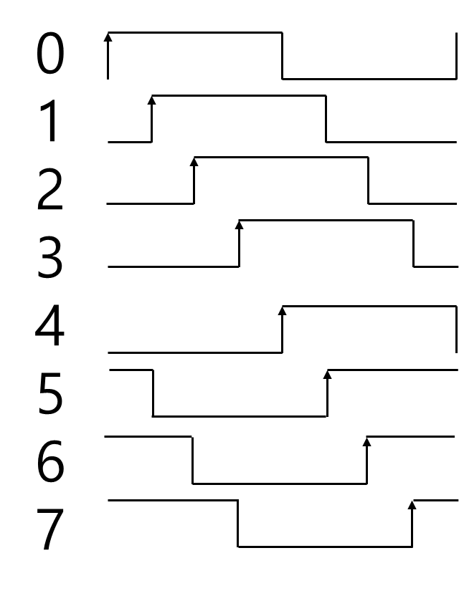
 |  |  |  |  |  |  | RD[24] |  | Active high, do read operation

 |  |  |  |  |  |  | LB.CLK.SEL [ 0x0000_2_028 ]
 |  |  |  |  |  |  | 0 |  | 1111_0000, default |  |  |  |  |  |  | 4 |  | 0000_1111
 |  |  |  |  |  |  | 1 |  | 0111_1000 |  |  |  |  |  |  | 5 |  | 1000_0111
 |  |  |  |  |  |  | 2 |  | 0011_1100 |  |  |  |  |  |  | 6 |  | 1100_0011
 |  |  |  |  |  |  | 3 |  | 0001_1110 |  |  |  |  |  |  | 7 |  | 1110_0001

 |  |  |  |  |  |  | LATENCY [ 0x0000_2_02C ]
 |  |  |  |  |  |  | RL[7:0] |  | Set as PG Register Read Latency.
 |  |  |  |  |  |  |  |  | Default, RL = 0

 |  |  |  |  |  |  | STS [ 0x0000_2_030 ]
 |  |  |  |  |  |  | WC.E[7] |  | LB write command error |  |  |  |  |  |  | EOS[3] |  | 1 indicates the end of operation
 |  |  |  |  |  |  | WD.E[6] |  | LB write data CRC error |  |  |  |  |  |  | BUSY[0] |  | 1 indicates that the IP is BUSY
 |  |  |  |  |  |  | RC.E[5] |  | LB read command error
 |  |  |  |  |  |  | RD.E[4] |  | LB read data CRC error

ADC-AD4855
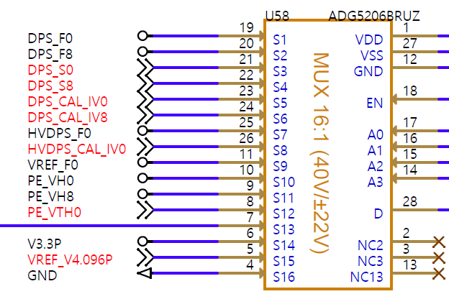
 |  |  |  |  |  | 3 |  |  |  |  |  |  |  | 2 |  |  |  |  |  |  |  | 1 |  |  |  |  |  |  |  | 0
 | DEVICE | BASE | OFFSET | NAME | RW | 31 | 30 | 29 | 28 | 27 | 26 | 25 | 24 | 23 | 22 | 21 | 20 | 19 | 18 | 17 | 16 | 15 | 14 | 13 | 12 | 11 | 10 | 9 | 8 | 7 | 6 | 5 | 4 | 3 | 2 | 1 | 0
0 | ADC-AD4855 @ CTRL | 0000_4 | 000 | NAME | RO | "ADC-AD4855"
1 |  |  | 004 |  | RO
2 |  |  | 008 |  | RO
3 |  |  | 00C |  | RO
4 |  |  | 010 | VERSION | RO |  |  |  |  |  |  |  |  |  |  |  |  |  |  |  |  | MAJOR ( DECIMAL ) |  |  |  |  |  |  |  | MINOR ( DECIMAL )
5 |  |  | 014 | DATE | RO |  |  |  |  |  |  |  |  | YEAR ( DECIMAL ) |  |  |  |  |  |  |  | MONTH ( DECIMAL ) |  |  |  |  |  |  |  | DATE ( DECIMAL )
6 |  |  | 018 | DUMMY | RW
7 |  |  | 01C | DUMMY | RW
8 |  |  | 020 | CMD | RW | SET | AUTO |  | REG | MUX[27:24] |  |  |  | RnW | ADDR[22:8] |  |  |  |  |  |  |  |  |  |  |  |  |  |  | WR.DATA[7:0]
9 |  |  | 024 | OPTION | RW |  |  |  |  |  |  |  |  |  |  |  |  |  |  |  | PD |  |  |  |  |  |  |  |  | OS |  |  |  | RATIO[3:0]
10 |  |  | 028 | SETTLING | RW | SETTLING.TIME[31:0]
11 |  |  | 02C
12 |  |  | 030 | STS | RO | EOS | ERR |  | REG | MUX[27:24] |  |  |  | RnW | ADDR[22:8] |  |  |  |  |  |  |  |  |  |  |  |  |  |  | RD.DATA[7:0]
13 |  |  | 034 | IO.VALUE | RO |  |  |  |  |  |  |  |  |  |  |  |  |  |  |  |  |  |  |  |  | MUX.O[11:8] |  |  |  |  |  |  |  |  |  |  | BUSY
14 |  |  | 038
15 |  |  | 03C
16 |  |  | 040 | ADC.VALUE | RO | MUX_ADC1 |  |  |  |  |  |  |  |  |  |  |  |  |  |  |  | MUX_ADC0
17 |  |  | 044 |  | RO | MUX_ADC3 |  |  |  |  |  |  |  |  |  |  |  |  |  |  |  | MUX_ADC2
18 |  |  | 048 |  | RO | MUX_ADC5 |  |  |  |  |  |  |  |  |  |  |  |  |  |  |  | MUX_ADC4
19 |  |  | 04C |  | RO | MUX_ADC7 |  |  |  |  |  |  |  |  |  |  |  |  |  |  |  | MUX_ADC6

64 |  |  | 100 | MUX_0 | RO | DPS_F1 |  |  |  |  |  |  |  |  |  |  |  |  |  |  |  | DPS_F0 |  |  |  |  |  |  |  |  |  |  |  |  |  |  |  | CMD [ 0x####_A_020 ]
65 |  |  | 104 |  |  | DPS_F3 |  |  |  |  |  |  |  |  |  |  |  |  |  |  |  | DPS_F2 |  |  |  |  |  |  |  |  |  |  |  |  |  |  |  | SET[31] | Active high
66 |  |  | 108 |  |  | DPS_F5 |  |  |  |  |  |  |  |  |  |  |  |  |  |  |  | DPS_F4 |  |  |  |  |  |  |  |  |  |  |  |  |  |  |  | AUTO[30] | 1 for AUTO capture
67 |  |  | 10C |  |  | DPS_F7 |  |  |  |  |  |  |  |  |  |  |  |  |  |  |  | DPS_F6 |  |  |  |  |  |  |  |  |  |  |  |  |  |  |  | REG[28] | 0 ADC , 1 for SPI Register
68 |  |  | 110 | MUX_1 | RO | DPS_F9 |  |  |  |  |  |  |  |  |  |  |  |  |  |  |  | DPS_F8 |  |  |  |  |  |  |  |  |  |  |  |  |  |  |  | MUX[27:24] | only valid @ REG = 0
69 |  |  | 114 |  |  | DPS_F11 |  |  |  |  |  |  |  |  |  |  |  |  |  |  |  | DPS_F10 |  |  |  |  |  |  |  |  |  |  |  |  |  |  |  | RnW[23] | 0 for Write, 1 for Read
70 |  |  | 118 |  |  | DPS_F13 |  |  |  |  |  |  |  |  |  |  |  |  |  |  |  | DPS_F12 |  |  |  |  |  |  |  |  |  |  |  |  |  |  |  | ADR[22:8] | SPI Register address
71 |  |  | 11C |  |  | DPS_F15 |  |  |  |  |  |  |  |  |  |  |  |  |  |  |  | DPS_F14
72 |  |  | 120 | MUX_2 | RO | DPS_S1 |  |  |  |  |  |  |  |  |  |  |  |  |  |  |  | DPS_S0 |  |  |  |  |  |  |  |  |  |  |  |  |  |  |  | STATUS [ 0x####_A_030 ]
73 |  |  | 124 |  |  | DPS_S3 |  |  |  |  |  |  |  |  |  |  |  |  |  |  |  | DPS_S2 |  |  |  |  |  |  |  |  |  |  |  |  |  |  |  | EOS[31] | 1 indicates the end of operation
74 |  |  | 128 |  |  | DPS_S5 |  |  |  |  |  |  |  |  |  |  |  |  |  |  |  | DPS_S4 |  |  |  |  |  |  |  |  |  |  |  |  |  |  |  | ERR[30] | 1 indicates the error dueto BUSY
75 |  |  | 12C |  |  | DPS_S7 |  |  |  |  |  |  |  |  |  |  |  |  |  |  |  | DPS_S6 |  |  |  |  |  |  |  |  |  |  |  |  |  |  |  | DATA[7:0] | 8-bit data
76 |  |  | 130 | MUX_3 | RO | DPS_S9 |  |  |  |  |  |  |  |  |  |  |  |  |  |  |  | DPS_S8
77 |  |  | 134 |  |  | DPS_S11 |  |  |  |  |  |  |  |  |  |  |  |  |  |  |  | DPS_S10 |  |  |  |  |  |  |  |  |  |  |  |  |  |  |  | SETTLING [ 0x####_A_028 ]
78 |  |  | 138 |  |  | DPS_S13 |  |  |  |  |  |  |  |  |  |  |  |  |  |  |  | DPS_S12 |  |  |  |  |  |  |  |  |  |  |  |  |  |  |  | SETTLING | Settling time before ADC conversion, 10ns/LSB
79 |  |  | 13C |  |  | DPS_S15 |  |  |  |  |  |  |  |  |  |  |  |  |  |  |  | DPS_S14
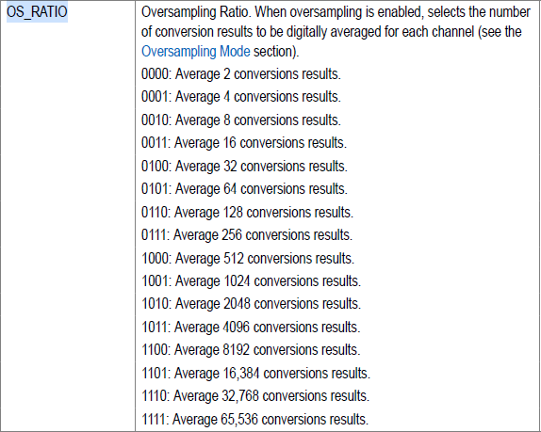
80 |  |  | 140 | MUX_4 | RO | DPS_CAL_IV1 |  |  |  |  |  |  |  |  |  |  |  |  |  |  |  | DPS_CAL_IV0
81 |  |  | 144 |  |  | DPS_CAL_IV3 |  |  |  |  |  |  |  |  |  |  |  |  |  |  |  | DPS_CAL_IV2
82 |  |  | 148 |  |  | DPS_CAL_IV5 |  |  |  |  |  |  |  |  |  |  |  |  |  |  |  | DPS_CAL_IV4
83 |  |  | 14C |  |  | DPS_CAL_IV7 |  |  |  |  |  |  |  |  |  |  |  |  |  |  |  | DPS_CAL_IV6
84 |  |  | 150 | MUX_5 | RO | DPS_CAL_IV9 |  |  |  |  |  |  |  |  |  |  |  |  |  |  |  | DPS_CAL_IV8
85 |  |  | 154 |  |  | DPS_CAL_IV11 |  |  |  |  |  |  |  |  |  |  |  |  |  |  |  | DPS_CAL_IV10
86 |  |  | 158 |  |  | DPS_CAL_IV13 |  |  |  |  |  |  |  |  |  |  |  |  |  |  |  | DPS_CAL_IV12
87 |  |  | 15C |  |  | DPS_CAL_IV15 |  |  |  |  |  |  |  |  |  |  |  |  |  |  |  | DPS_CAL_IV14
88 |  |  | 160 | MUX_6 | RO | HVDPS_F1 |  |  |  |  |  |  |  |  |  |  |  |  |  |  |  | HVDPS_F0
89 |  |  | 164 |  |  | HVDPS_F3 |  |  |  |  |  |  |  |  |  |  |  |  |  |  |  | HVDPS_F2
90 |  |  | 168 |  |  | HVDPS_S1 |  |  |  |  |  |  |  |  |  |  |  |  |  |  |  | HVDPS_S0
91 |  |  | 16C |  |  | HVDPS_S3 |  |  |  |  |  |  |  |  |  |  |  |  |  |  |  | HVDPS_S2
92 |  |  | 170 | MUX_7 | RO | HVDPS_CAL_IV1 |  |  |  |  |  |  |  |  |  |  |  |  |  |  |  | HVDPS_CAL_IV0
93 |  |  | 174 |  |  | HVDPS_CAL_IV3 |  |  |  |  |  |  |  |  |  |  |  |  |  |  |  | HVDPS_CAL_IV2
94 |  |  | 178 |  |  | DGS1 |  |  |  |  |  |  |  |  |  |  |  |  |  |  |  | DGS0
95 |  |  | 17C |  |  | DGS3 |  |  |  |  |  |  |  |  |  |  |  |  |  |  |  | DGS2
96 |  |  | 180 | MUX_8 | RO | VREF_F1 |  |  |  |  |  |  |  |  |  |  |  |  |  |  |  | VREF_F0
97 |  |  | 184 |  |  | VREF_F3 |  |  |  |  |  |  |  |  |  |  |  |  |  |  |  | VREF_F2
98 |  |  | 188 |  |  | VREF_S1 |  |  |  |  |  |  |  |  |  |  |  |  |  |  |  | VREF_S0
99 |  |  | 18C |  |  | VREF_S3 |  |  |  |  |  |  |  |  |  |  |  |  |  |  |  | VREF_S2
100 |  |  | 190 | MUX_9 | RO | PE_VH1 |  |  |  |  |  |  |  |  |  |  |  |  |  |  |  | PE_VH0
101 |  |  | 194 |  |  | PE_VH3 |  |  |  |  |  |  |  |  |  |  |  |  |  |  |  | PE_VH2
102 |  |  | 198 |  |  | PE_VH5 |  |  |  |  |  |  |  |  |  |  |  |  |  |  |  | PE_VH4
103 |  |  | 19C |  |  | PE_VH7 |  |  |  |  |  |  |  |  |  |  |  |  |  |  |  | PE_VH6
104 |  |  | 1A0 | MUX_10 | RO | PE_VH9 |  |  |  |  |  |  |  |  |  |  |  |  |  |  |  | PE_VH8
105 |  |  | 1A4 |  |  | PE_VH11 |  |  |  |  |  |  |  |  |  |  |  |  |  |  |  | PE_VH10
106 |  |  | 1A8 |  |  | PE_VH13 |  |  |  |  |  |  |  |  |  |  |  |  |  |  |  | PE_VH12
107 |  |  | 1AC |  |  | PE_VH15 |  |  |  |  |  |  |  |  |  |  |  |  |  |  |  | PE_VH14
108 |  |  | 1B0 | MUX_11 | RO | PE_VTH1 |  |  |  |  |  |  |  |  |  |  |  |  |  |  |  | PE_VTH0
109 |  |  | 1B4 |  |  | PE_VTH3 |  |  |  |  |  |  |  |  |  |  |  |  |  |  |  | PE_VTH2
110 |  |  | 1B8 |  |  | PE_VTH5 |  |  |  |  |  |  |  |  |  |  |  |  |  |  |  | PE_VTH4
111 |  |  | 1BC |  |  | PE_VTH7 |  |  |  |  |  |  |  |  |  |  |  |  |  |  |  | PE_VTH6
112 |  |  | 1C0 | MUX_12 | RO | V18.0P / 2 |  |  |  |  |  |  |  |  |  |  |  |  |  |  |  | V5.0N / 2
113 |  |  | 1C4 |  |  | V12.0P_0 / 2 |  |  |  |  |  |  |  |  |  |  |  |  |  |  |  | V12.0P / 2
114 |  |  | 1C8 |  |  | CPU_V12.0P / 2 |  |  |  |  |  |  |  |  |  |  |  |  |  |  |  | V12.0P_1 / 2
115 |  |  | 1CC |  |  | V5.0P |  |  |  |  |  |  |  |  |  |  |  |  |  |  |  | V9.5P / 2
116 |  |  | 1D0 | MUX_13 | RO | V2.5P |  |  |  |  |  |  |  |  |  |  |  |  |  |  |  | V3.3P
117 |  |  | 1D4 |  |  | V1.2P |  |  |  |  |  |  |  |  |  |  |  |  |  |  |  | V1.8P
118 |  |  | 1D8 |  |  | V0.9P |  |  |  |  |  |  |  |  |  |  |  |  |  |  |  | V1.0P
119 |  |  | 1DC |  |  | DVTT_V0.6P |  |  |  |  |  |  |  |  |  |  |  |  |  |  |  | V0.85P
120 |  |  | 1E0 | MUX_14 | RO | VREF_V4.096P |  |  |  |  |  |  |  |  |  |  |  |  |  |  |  | VREF_V4.096P
121 |  |  | 1E4 |  |  | VREF_V4.096P |  |  |  |  |  |  |  |  |  |  |  |  |  |  |  | VREF_V4.096P
122 |  |  | 1E8 |  |  | VREF_V4.096P |  |  |  |  |  |  |  |  |  |  |  |  |  |  |  | VREF_V4.096P
123 |  |  | 1EC |  |  | VREF_V4.096P |  |  |  |  |  |  |  |  |  |  |  |  |  |  |  | VREF_V4.096P
124 |  |  | 1F0 | MUX_15 | RO | GND |  |  |  |  |  |  |  |  |  |  |  |  |  |  |  | GND
125 |  |  | 1F4 |  |  | GND |  |  |  |  |  |  |  |  |  |  |  |  |  |  |  | GND
126 |  |  | 1F8 |  |  | GND |  |  |  |  |  |  |  |  |  |  |  |  |  |  |  | GND
127 |  |  | 1FC |  |  | GND |  |  |  |  |  |  |  |  |  |  |  |  |  |  |  | GND

DAC-AD5677
 |  |  |  |  |  | 3 |  |  |  |  |  |  |  | 2 |  |  |  |  |  |  |  | 1 |  |  |  |  |  |  |  | 0
 | DEVICE | BASE | OFFSET | NAME | RW | 31 | 30 | 29 | 28 | 27 | 26 | 25 | 24 | 23 | 22 | 21 | 20 | 19 | 18 | 17 | 16 | 15 | 14 | 13 | 12 | 11 | 10 | 9 | 8 | 7 | 6 | 5 | 4 | 3 | 2 | 1 | 0
0 | DAC-DAC7578 @ CTRL | 0000_5 | 000 | NAME | RO | "DAC-AD5677"
1 |  |  | 004 |  | RO
2 |  |  | 008 |  | RO
3 |  |  | 00C |  | RO
4 |  |  | 010 | VERSION | RO |  |  |  |  |  |  |  |  |  |  |  |  |  |  |  |  | MAJOR ( DECIMAL ) |  |  |  |  |  |  |  | MINOR ( DECIMAL )
5 |  |  | 014 | DATE | RO |  |  |  |  |  |  |  |  | YEAR ( DECIMAL ) |  |  |  |  |  |  |  | MONTH ( DECIMAL ) |  |  |  |  |  |  |  | DATE ( DECIMAL )
6 |  |  | 018 | DUMMY | RW
7 |  |  | 01C | DUMMY | RW
8 |  |  | 020 | CMD | RW | SET | RST |  |  |  |  | IDX[25:24] |  | CMD[23:20] |  |  |  | ADDR[19:16] |  |  |  | DB[15:0]
9 |  |  | 024 | LDAC | RW |  |  |  |  |  |  |  |  |  |  |  |  |  |  |  |  |  |  |  |  |  |  |  |  |  |  |  |  |  | LDAC[2:0]
10 |  |  | 028
11 |  |  | 02C
12 |  |  | 030 | STS | RO | EOS | ERR |  |  |  |  | IDX[25:24] |  | CMD[23:20] |  |  |  | ADDR[19:16] |  |  |  | DB[15:0]
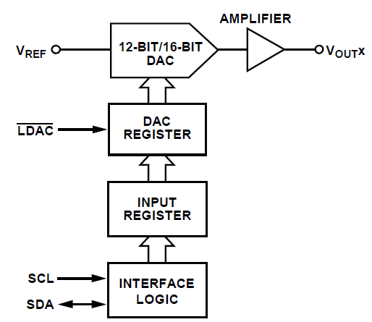
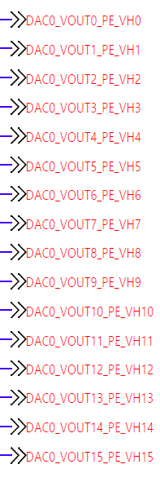
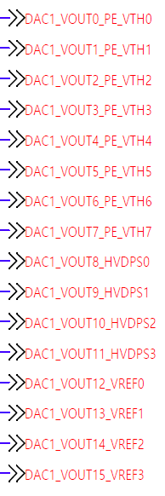
 |  |  |  |  |  |  | CMD [ 0x0000_5_020 ]
 |  |  |  |  |  |  | SET[31] |  | Active high, do DAC RW operation |  |  |  |  |  |  | CMD[23:20] |  | 4-bit DAC command
 |  |  |  |  |  |  | RST[30] |  | Active high, self-clear |  |  |  |  |  |  | ADR[19:16] |  | DAC ch address for 0 ~ 15
 |  |  |  |  |  |  | IDX[25:24] |  | DAC index for 0 ~ 2 |  |  |  |  |  |  | DB[15:0] |  | 16-bit DAC write data

 |  |  |  |  |  |  | STS [ 0x0000_5_030 ]
 |  |  |  |  |  |  | EOS[31] |  | 1 indicates the end of operation |  |  |  |  |  |  | REST[25:16] |  | Same w/ CMD[25:16]
 |  |  |  |  |  |  | ERR[30] |  | Active high, indicates I2C Error |  |  |  |  |  |  | DB[15:0] |  | 16-bit DAC read data
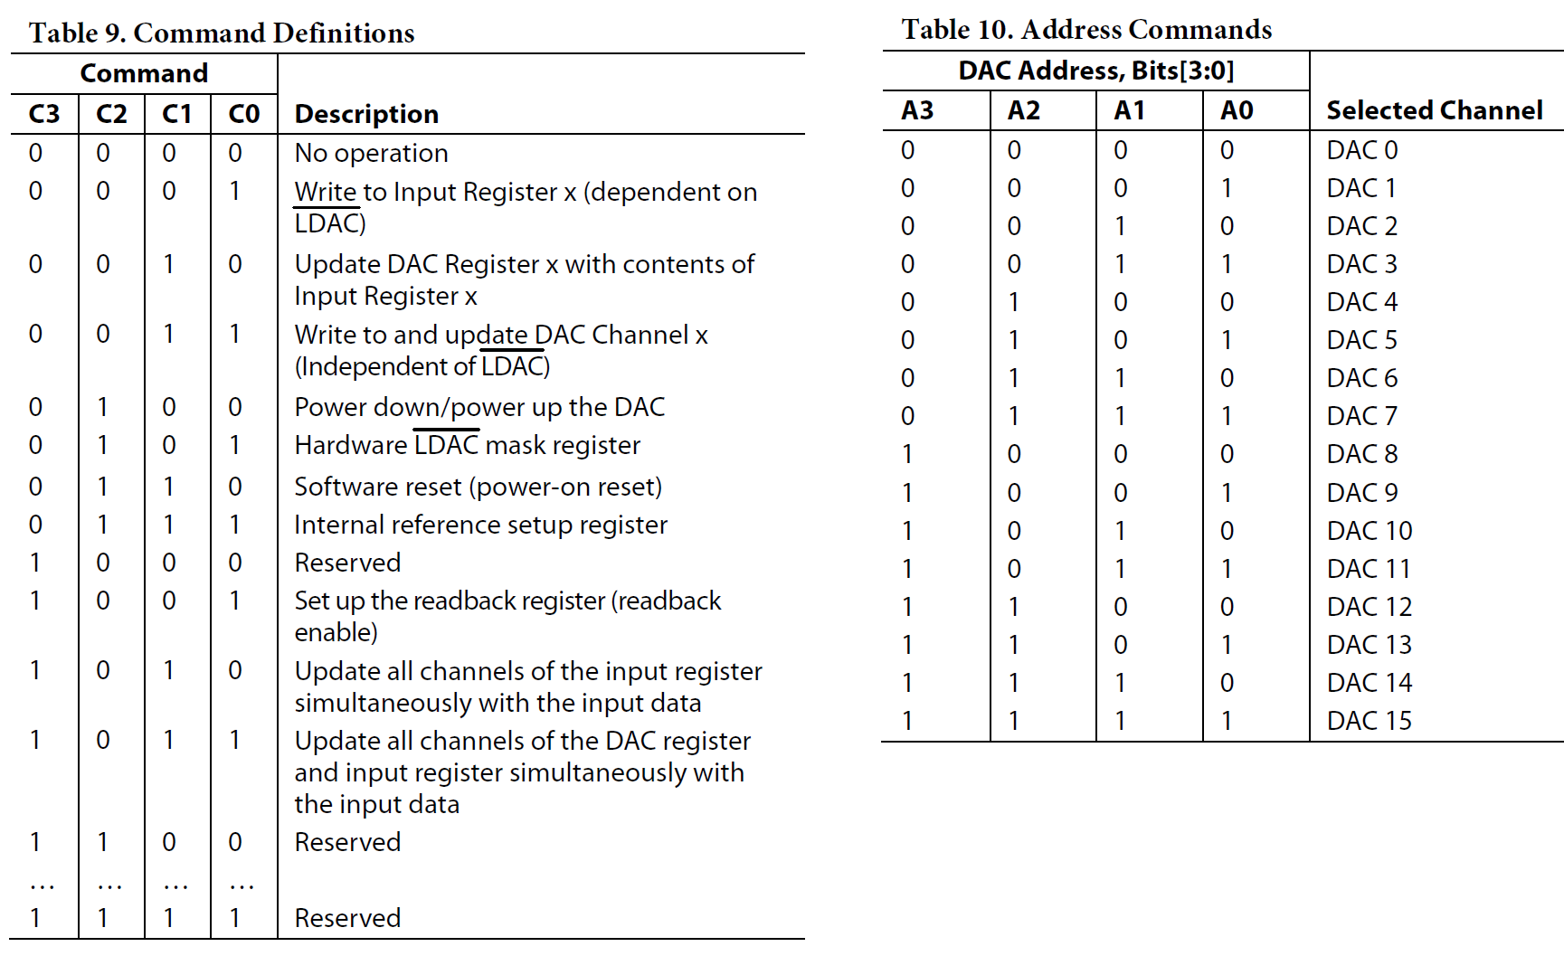
Case 1 : 채널별로 DAC voltage 바로 출력
- CMD[3:0] = 0x3, ADDR = CH, DB = VOLT 로 설정
Case 2 : 여러 채널 동시에 DAC voltage 출력
- CMD[1:0] = 0x1, ADDR = CH1, DB = VOLT
- CMD[1:0] = 0x1, ADDR = CH2, DB = VOLT
- CMD[1:0] = 0x1, ADDR = CH3, DB = VOLT
- CMD[1:0] = 0x1, ADDR = CH5, DB = VOLT 로 여러 채널 설정
- LDAC[2:0] 중 해당 칩의 bit flag를 1로 설정
Case 3 : DAC 채널 On/Off
- CMD[3:0] = 0x4, 표 12 ~ 14 참조

DPS-I2C
 | DEVICE | BASE | OFFSET | NAME | RW | 31 | 30 | 29 | 28 | 27 | 26 | 25 | 24 | 23 | 22 | 21 | 20 | 19 | 18 | 17 | 16 | 15 | 14 | 13 | 12 | 11 | 10 | 9 | 8 | 7 | 6 | 5 | 4 | 3 | 2 | 1 | 0
0 | DPS-I2C @ CTRL | 0000_6 | 000 | NAME | RO | "DPS-I2C"
1 |  |  | 004 |  | RO
2 |  |  | 008 |  | RO
3 |  |  | 00C |  | RO
4 |  |  | 010 | VERSION | RO |  |  |  |  |  |  |  |  |  |  |  |  |  |  |  |  | MAJOR ( DECIMAL ) |  |  |  |  |  |  |  | MINOR ( DECIMAL )
5 |  |  | 014 | DATE | RO |  |  |  |  |  |  |  |  | YEAR ( DECIMAL ) |  |  |  |  |  |  |  | MONTH ( DECIMAL ) |  |  |  |  |  |  |  | DATE ( DECIMAL )
6 |  |  | 018 | DUMMY | RW
7 |  |  | 01C | DUMMY | RW
8 |  |  | 020 | CMD | RW | SET |  | RD | WR |  |  |  |  | DPS.No[23:16] |  |  |  |  |  |  |  | BURST.LENGTH[15:8] |  |  |  |  |  |  |  | PMBUS.CMD[7:0]
9 |  |  | 024
10 |  |  | 028 | RUN | RW |  |  |  |  | HV.DPS.EN[27:24] |  |  |  |  |  |  |  |  |  |  |  | DPS.RUN[15:0]
11 |  |  | 02C | EN | RW |  |  |  |  | VREF.EN[27:24] |  |  |  |  |  |  |  |  |  |  |  |  |  |  |  |  |  |  | HVDPS.CAL[8] |  |  |  |  |  |  |  | DPS.CAL[0]
12 |  |  | 030 | STS | RO | EOS | ERR | RD | WR |  |  |  |  | DPS.No[23:16] |  |  |  |  |  |  |  | BURST.LENGTH[15:8] |  |  |  |  |  |  |  | PMBUS.CMD[7:0]
13 |  |  | 034
14 |  |  | 038 | ALERT | RO |  |  |  |  |  |  |  |  | DPS.FAULT[23:16] |  |  |  |  |  |  |  |  |  |  |  |  |  |  |  | DPS.ALERT[7:0]
15 |  |  | 03C
16 |  |  | 040 | RW.DATA.BUF | RW | RW.DATA.3 |  |  |  |  |  |  |  | RW.DATA.2 |  |  |  |  |  |  |  | RW.DATA.1 |  |  |  |  |  |  |  | RW.DATA.0
17 |  |  | 044 |  | RW | RW.DATA.7 |  |  |  |  |  |  |  | RW.DATA.6 |  |  |  |  |  |  |  | RW.DATA.5 |  |  |  |  |  |  |  | RW.DATA.4

78 |  |  | 138 |  | RW | RW.DATA.251 |  |  |  |  |  |  |  | RW.DATA.250 |  |  |  |  |  |  |  | RW.DATA.249 |  |  |  |  |  |  |  | RW.DATA.248
79 |  |  | 13C |  | RW | RW.DATA.255 |  |  |  |  |  |  |  | RW.DATA.254 |  |  |  |  |  |  |  | RW.DATA.253 |  |  |  |  |  |  |  | RW.DATA.252

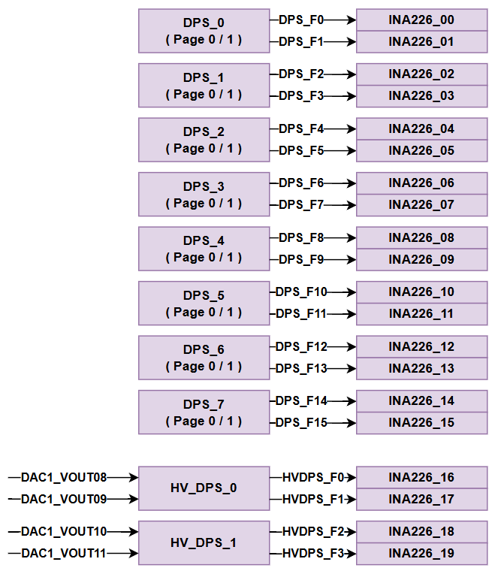
 |  |  |  |  |  |  | CMD [ 0x0000_6_020 ]
 |  |  |  |  |  |  | SET[31] |  | Active high, do DPS RW operation |  |  |  |  |  |  | BL[15:8] |  | DPS read/write byte count
 |  |  |  |  |  |  | RD[29] |  | Active high, DPS read operation |  |  |  |  |  |  |  |  | 0 means 1-Byte, max 256-Byte
 |  |  |  |  |  |  | WR[28] |  | Active high, DPS write operation |  |  |  |  |  |  | PMBUS.CMD |  | 8-bit PMBUS command for DPS
RUN signal = RUN & nALERT
- RUN = 1일 때 동작
- ALERT 가 발생하면 바로 RUN = 0으로 되어 DPS OFF
 |  |  |  |  |  |  | DPS.No |  | Target DPS number. ( 0 ~ 7 )

 |  |  |  |  |  |  | RUN [ 0x0000_6_028 ]
 |  |  |  |  |  |  | HV.EN |  | Active high, 2ea / 1 HV-DPS
 |  |  |  |  |  |  | RUN[15:0] |  | Active high, 2ea / 1 DPS

 |  |  |  |  |  |  | STS [ 0x0000_6_030 ]
 |  |  |  |  |  |  | EOS[31] |  | 1 indicates the end of operation
 |  |  |  |  |  |  | ERR[30] |  | 1 indicates occurred I2C error
 |  |  |  |  |  |  | REST[29:0] |  | Same w/ CMD[29:0]

 |  |  |  |  |  |  | ALERT [ 0x0000_6_038 ]
 |  |  |  |  |  |  | FAULT |  | Active high, 1ea / DPS
 |  |  |  |  |  |  | ALERT |  | Active high, 1ea / DPS

 |  |  |  |  |  |  | RW.DATA.BUF [ 0x0000_6_040 ~ 0x0000_6_43F ]
 |  |  |  |  |  |  | RW.DATA_0 ~ 255

DPS-ADC
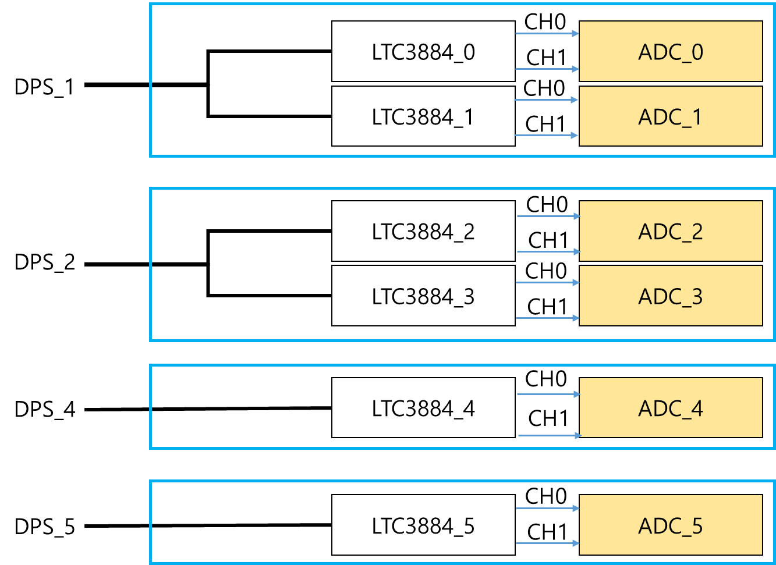
 |  |  |  |  |  | 3 |  |  |  |  |  |  |  | 2 |  |  |  |  |  |  |  | 1 |  |  |  |  |  |  |  | 0
 | DEVICE | BASE | OFFSET | NAME | RW | 31 | 30 | 29 | 28 | 27 | 26 | 25 | 24 | 23 | 22 | 21 | 20 | 19 | 18 | 17 | 16 | 15 | 14 | 13 | 12 | 11 | 10 | 9 | 8 | 7 | 6 | 5 | 4 | 3 | 2 | 1 | 0
0 | DPS-ADC @ CTRL | 0000_8 | 000 | NAME | RO | "ADC-SGM58031"
1 |  |  | 004 |  | RO
2 |  |  | 008 |  | RO
3 |  |  | 00C |  | RO
4 |  |  | 010 | VERSION | RO |  |  |  |  |  |  |  |  |  |  |  |  |  |  |  |  | MAJOR ( DECIMAL ) |  |  |  |  |  |  |  | MINOR ( DECIMAL )
5 |  |  | 014 | DATE | RO |  |  |  |  |  |  |  |  | YEAR ( DECIMAL ) |  |  |  |  |  |  |  | MONTH ( DECIMAL ) |  |  |  |  |  |  |  | DATE ( DECIMAL )
6 |  |  | 018 | DUMMY | RW
7 |  |  | 01C | DUMMY | RW
8 |  |  | 020 | CMD | RW | SET | RST |  |  |  |  |  | RnW | ADC.No[23:20] |  |  |  | ADDR[19:16] |  |  |  | DATA[15:0]
9 |  |  | 024
10 |  |  | 028
11 |  |  | 02C
12 |  |  | 030 | STATUS | RO | EOS | ERR |  |  |  |  |  |  | ADC.No[23:20] |  |  |  | ADDR[19:16] |  |  |  | DATA[15:0]

 |  |  |  |  |  |  | CMD [ 0x0000_8_020 ]
 |  |  |  |  |  |  | SET[31] |  | Active high, do ADC RW operation |  |  |  |  |  |  | No[23:20] |  | ADC.No : 0 ~ 5
 |  |  |  |  |  |  | RST[30] |  | Active high, reset the Logic IP |  |  |  |  |  |  | ADR[19:16] |  | ADC register address
Rev0.92 @ 220318 부터 DPS-ADC IP는 동작하지 않음
 |  |  |  |  |  |  | RnW[24] |  | 1 for ADC Read, 0 for ADC Write |  |  |  |  |  |  | D[15:0] |  | 16-bit ADC write data

 |  |  |  |  |  |  | STATUS [ 0x0000_8_030 ]
 |  |  |  |  |  |  | EOS[31] |  | 1 indicates the end of operation |  |  |  |  |  |  | REST[23:16] |  | Same w/ CMD[23:16]
 |  |  |  |  |  |  | ERR[30] |  | Active high, indicates I2C Error |  |  |  |  |  |  | D[15:0] |  | 16-bit ADC read data

INA-I2C
 | DEVICE | BASE | OFFSET | NAME | RW | 31 | 30 | 29 | 28 | 27 | 26 | 25 | 24 | 23 | 22 | 21 | 20 | 19 | 18 | 17 | 16 | 15 | 14 | 13 | 12 | 11 | 10 | 9 | 8 | 7 | 6 | 5 | 4 | 3 | 2 | 1 | 0
0 | INA-I2C @ CTRL | 0000_7 | 000 | NAME | RO | "INA-I2C"
1 |  |  | 004 |  | RO
2 |  |  | 008 |  | RO
3 |  |  | 00C |  | RO
4 |  |  | 010 | VERSION | RO |  |  |  |  |  |  |  |  |  |  |  |  |  |  |  |  | MAJOR ( DECIMAL ) |  |  |  |  |  |  |  | MINOR ( DECIMAL )
5 |  |  | 014 | DATE | RO |  |  |  |  |  |  |  |  | YEAR ( DECIMAL ) |  |  |  |  |  |  |  | MONTH ( DECIMAL ) |  |  |  |  |  |  |  | DATE ( DECIMAL )
6 |  |  | 018 | DUMMY | RW
7 |  |  | 01C | DUMMY | RW
8 |  |  | 020 | CMD | RW | SET |  | RD | WR |  |  |  | INA.No[24:20] |  |  |  |  | ADDR[19:16] |  |  |  | DATA[15:0]
9 |  |  | 024
10 |  |  | 028
11 |  |  | 02C
12 |  |  | 030 | STS | RO | EOS | ERR | RD | WR |  |  |  | INA.No[24:20] |  |  |  |  | ADDR[19:16] |  |  |  | DATA[15:0]
13 |  |  | 034
14 |  |  | 038
15 |  |  | 03C
16
17

34
35
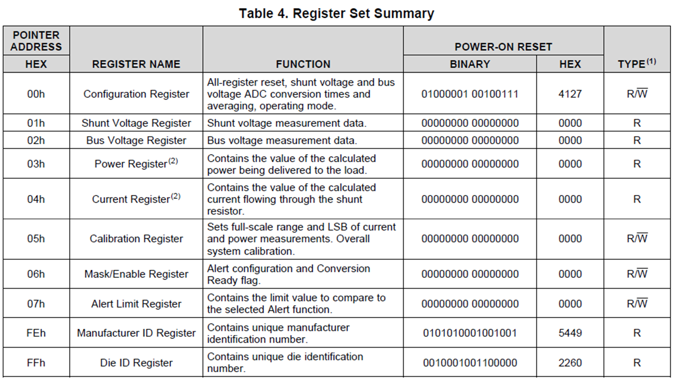

MicroBlaze가 DPS, INA 초기화 및 모니터링 ???
OS는 특정 메모리에서 값만 확인 ???

EEP-I2C
 | DEVICE | BASE | OFFSET | NAME | RW | 31 | 30 | 29 | 28 | 27 | 26 | 25 | 24 | 23 | 22 | 21 | 20 | 19 | 18 | 17 | 16 | 15 | 14 | 13 | 12 | 11 | 10 | 9 | 8 | 7 | 6 | 5 | 4 | 3 | 2 | 1 | 0
0 | EEP-I2C @ CTRL | 0000_D | 000 | NAME | RO | "EEP-I2C"
1 |  |  | 004 |  | RO
2 |  |  | 008 |  | RO
3 |  |  | 00C |  | RO
4 |  |  | 010 | VERSION | RO |  |  |  |  |  |  |  |  |  |  |  |  |  |  |  |  | MAJOR ( DECIMAL ) |  |  |  |  |  |  |  | MINOR ( DECIMAL )
5 |  |  | 014 | DATE | RO |  |  |  |  |  |  |  |  | YEAR ( DECIMAL ) |  |  |  |  |  |  |  | MONTH ( DECIMAL ) |  |  |  |  |  |  |  | DATE ( DECIMAL )
6 |  |  | 018 | DUMMY | RW
7 |  |  | 01C | DUMMY | RW
8 |  |  | 020 | CMD | RW | SET |  | RD | WR |  |  |  | ADDR[24:8] |  |  |  |  |  |  |  |  |  |  |  |  |  |  |  |  | BYTE[7:0]
9 |  |  | 024
10 |  |  | 028
11 |  |  | 02C
12 |  |  | 030 | STS | RO | EOS | ERR | RD | WR |  |  |  | ADDR[24:8] |  |  |  |  |  |  |  |  |  |  |  |  |  |  |  |  | BYTE[7:0]
13 |  |  | 034
14 |  |  | 038
15 |  |  | 03C
16 |  |  | 040 | RW.DATA.BUF | RW | RW.DATA.3 |  |  |  |  |  |  |  | RW.DATA.2 |  |  |  |  |  |  |  | RW.DATA.1 |  |  |  |  |  |  |  | RW.DATA.0
17 |  |  | 044 |  | RW | RW.DATA.7 |  |  |  |  |  |  |  | RW.DATA.6 |  |  |  |  |  |  |  | RW.DATA.5 |  |  |  |  |  |  |  | RW.DATA.4

78 |  |  | 138 |  | RW | RW.DATA.251 |  |  |  |  |  |  |  | RW.DATA.250 |  |  |  |  |  |  |  | RW.DATA.249 |  |  |  |  |  |  |  | RW.DATA.248
79 |  |  | 13C |  | RW | RW.DATA.255 |  |  |  |  |  |  |  | RW.DATA.254 |  |  |  |  |  |  |  | RW.DATA.253 |  |  |  |  |  |  |  | RW.DATA.252

EEPROM Density : 1MB = 128KB
--> ADDR : 17-bit

CFG-PROM
 | DEVICE | BASE | OFFSET | NAME | RW | 31 | 30 | 29 | 28 | 27 | 26 | 25 | 24 | 23 | 22 | 21 | 20 | 19 | 18 | 17 | 16 | 15 | 14 | 13 | 12 | 11 | 10 | 9 | 8 | 7 | 6 | 5 | 4 | 3 | 2 | 1 | 0
0 | CFG-RPOM @ CTRL | 0000_E | 000 | NAME | RO | "CFG-PROM"
1 |  |  | 004 |  | RO
2 |  |  | 008 |  | RO
3 |  |  | 00C |  | RO
4 |  |  | 010 | VERSION | RO |  |  |  |  |  |  |  |  |  |  |  |  |  |  |  |  | MAJOR ( DECIMAL ) |  |  |  |  |  |  |  | MINOR ( DECIMAL )
5 |  |  | 014 | DATE | RO |  |  |  |  |  |  |  |  | YEAR ( DECIMAL ) |  |  |  |  |  |  |  | MONTH ( DECIMAL ) |  |  |  |  |  |  |  | DATE ( DECIMAL )
6 |  |  | 018 | DUMMY | RW
7 |  |  | 01C | DUMMY | RW
8 |  |  | 020 | ADDR | RW | ADDR[31:0]
9 |  |  | 024 | CMD | RW |  |  |  |  |  |  |  |  |  |  |  |  |  |  |  |  | WR | RD |  |  |  |  |  | ERASE | BURST.LENGTH[7:0]
10 |  |  | 028 | REBOOT | RW |  |  |  |  |  |  |  |  |  |  |  |  |  |  |  |  |  |  |  |  |  |  |  |  |  |  |  |  |  |  |  | BOOT
11 |  |  | 02C |  | RW
12 |  |  | 030 | STS | RO |  |  |  |  |  |  |  |  |  |  |  |  |  |  |  |  |  |  |  |  |  |  |  |  | EOS |  |  |  | ERR |  |  | BUSY
13 |  |  | 034
14 |  |  | 038
15 |  |  | 03C
16 |  |  | 040 | RW.DATA.BUF | RW | RW.DATA.3 |  |  |  |  |  |  |  | RW.DATA.2 |  |  |  |  |  |  |  | RW.DATA.1 |  |  |  |  |  |  |  | RW.DATA.0
17 |  |  | 044 |  | RW | RW.DATA.7 |  |  |  |  |  |  |  | RW.DATA.6 |  |  |  |  |  |  |  | RW.DATA.5 |  |  |  |  |  |  |  | RW.DATA.4

78 |  |  | 138 |  | RW | RW.DATA.251 |  |  |  |  |  |  |  | RW.DATA.250 |  |  |  |  |  |  |  | RW.DATA.249 |  |  |  |  |  |  |  | RW.DATA.248
79 |  |  | 13C |  | RW | RW.DATA.255 |  |  |  |  |  |  |  | RW.DATA.254 |  |  |  |  |  |  |  | RW.DATA.253 |  |  |  |  |  |  |  | RW.DATA.252

 |  |  |  |  |  |  | ADDR [ 0x0000_E_020 ]
 |  |  |  |  |  |  | ADDR[31:0] |  | PROM address
ERASE : 1 sector( 64 KB size )
 |  |  |  |  |  |  | CMD [ 0x0000_E_024 ]
 |  |  |  |  |  |  | WR[15] |  | Active high, write operation
 |  |  |  |  |  |  | RD[14] |  | Active high, read operation
 |  |  |  |  |  |  | ERASE[8] |  | Active high, 1 sector(64KB) erase operation
 |  |  |  |  |  |  | BL[7:0] |  | Read/write byte count
 |  |  |  |  |  |  |  |  | 0 means 1-Byte, max 256-Byte

 |  |  |  |  |  |  | REBOOT [ 0x0000_E_027 ]
 |  |  |  |  |  |  | BOOT[0] |  | Active high, set 1 to reboot FPGA

 |  |  |  |  |  |  | STS [ 0x0000_E_030 ]
 |  |  |  |  |  |  | EOS[7] |  | 1 indicates the end of operation
 |  |  |  |  |  |  | ERR[3] |  | Active high, indicates Error
 |  |  |  |  |  |  | BUSY[0] |  | 1 indicates that the IP is BUSY

 |  |  |  |  |  |  | RW.DATA.BUF [ 0x0000_E_040 ~ 0x0000_E_43F ]
 |  |  |  |  |  |  | RW.DATA_0 ~ 255

Dummy_for_Comparison5
 | DEVICE | BASE | OFFSET | NAME | RW | 31 | 30 | 29 | 28 | 27 | 26 | 25 | 24 | 23 | 22 | 21 | 20 | 19 | 18 | 17 | 16 | 15 | 14 | 13 | 12 | 11 | 10 | 9 | 8 | 7 | 6 | 5 | 4 | 3 | 2 | 1 | 0
0 | BOARD-ID @ CTRL | 0000_0 | 000 | NAME | RO | "BOARD-INFO"
1 |  |  | 004 |  | RO
2 |  |  | 008 |  | RO
3 |  |  | 00C |  | RO
4 |  |  | 010 | VERSION | RO |  |  |  |  |  |  |  |  |  |  |  |  |  |  |  |  | MAJOR ( DECIMAL ) |  |  |  |  |  |  |  | MINOR ( DECIMAL )
5 |  |  | 014 | DATE | RO |  |  |  |  |  |  |  |  | YEAR ( DECIMAL ) |  |  |  |  |  |  |  | MONTH ( DECIMAL ) |  |  |  |  |  |  |  | DATE ( DECIMAL )
6 |  |  | 018
7 |  |  | 01C
8 |  |  | 020 | TPCB.REV | RO |  |  |  |  |  |  |  |  |  |  |  |  |  |  |  |  |  |  |  |  |  |  |  |  |  |  |  |  | TPCB.REV[3:0]
9 |  |  | 024 | SLOT.ID | RO |  |  |  |  |  |  |  |  |  |  |  |  |  |  |  |  |  |  |  |  |  |  |  |  | SLOT.ID[7:0]
10 |  |  | 028
11 |  |  | 02C | LED | RW |  |  |  |  |  |  |  |  |  |  |  |  |  |  |  | ERR |  |  |  |  |  |  |  | ON |  |  |  |  |  |  |  | ACT
12 |  |  | 030 | BIB.nBD.CHK | RO |  |  |  |  |  |  |  |  |  |  |  |  | CTRL.RLY.DGS[3:0] |  |  |  |  |  |  |  | BIB.PWR.SENSE.SEL[3:0] |  |  |  |  |  |  |  | BIB.nBD.CHK[3:0]
13 |  |  | 034 | BIB.ID.DIR | RW | BIB.ID.DIR[31:0]
14 |  |  | 038 | BIB.ID.OUT | RW | BIB.ID.OUT[31:0]
15 |  |  | 03C | BIB.ID.IN | RO | BIB.ID.VAL[31:0]

 |  |  |  |  |  |  | TPCB.REV [ 0x0000_0_020 ]
 |  |  |  |  |  |  | TPCB.REV |  | 4-bit

 |  |  |  |  |  |  | SLOT.ID [ 0x0000_0_024 ]
 |  |  |  |  |  |  | SLOT.ID |  | 8-bit read-only SLOT-ID

CTRL.RLY.DGS[3:0] = BIB.nBD.CHK[3:0]
BIB.PWR.SENSE.SEL[3:0] = BIB.nBD.CHK[3:0]
 |  |  |  |  |  |  | BIB.nBD.CHK [ 0x0000_0_030 ]
 |  |  |  |  |  |  | nBD.CHK |  | Active LOW; nBD.CHK = 0 indicates BIB is inserted.

 |  |  |  |  |  |  | BIB.ID.DIR [ 0x0000_0_034 ]
 |  |  |  |  |  |  | ID.DIR |  | 0 for Output, 1 for Input

 |  |  |  |  |  |  | BIB.ID.VAL [ 0x0000_0_038 ]
 |  |  |  |  |  |  | ID.OUT |  | Output value

 |  |  |  |  |  |  | BIB.ID.VAL [ 0x0000_0_03C ]
 |  |  |  |  |  |  | ID.IN |  | Input value

Dummy_for_Comparison6
 |  |  |  |  |  | 3 |  |  |  |  |  |  |  | 2 |  |  |  |  |  |  |  | 1 |  |  |  |  |  |  |  | 0
 | DEVICE | BASE | OFFSET | NAME | RW | 31 | 30 | 29 | 28 | 27 | 26 | 25 | 24 | 23 | 22 | 21 | 20 | 19 | 18 | 17 | 16 | 15 | 14 | 13 | 12 | 11 | 10 | 9 | 8 | 7 | 6 | 5 | 4 | 3 | 2 | 1 | 0
0 | CFGx8-C2X @ CTRL to TGPG | 0000_1 | 000 | NAME | RO | "CFGx8-C2X"
1 |  |  | 004 |  | RO
2 |  |  | 008 |  | RO
3 |  |  | 00C |  | RO
4 |  |  | 010 | VERSION | RO |  |  |  |  |  |  |  |  |  |  |  |  |  |  |  |  | MAJOR ( DECIMAL ) |  |  |  |  |  |  |  | MINOR ( DECIMAL )
5 |  |  | 014 | DATE | RO |  |  |  |  |  |  |  |  | YEAR ( DECIMAL ) |  |  |  |  |  |  |  | MONTH ( DECIMAL ) |  |  |  |  |  |  |  | DATE ( DECIMAL )
6 |  |  | 018 | DUMMY | RW
7 |  |  | 01C | DUMMY | RW
8 |  |  | 020 | CMD | RW | RST |  |  |  |  |  | LAST | START | PG.3 | PG.2 | PG.1 | PG.0 |  |  | TG.1 | TG.0 | BURST.LENGTH[15:0]
9 |  |  | 024
10 |  |  | 028
11 |  |  | 02C
12 |  |  | 030 | STS | RO |  |  |  |  |  |  |  | D.ALL | D.PG3 | D.PG2 | D.PG1 | D.PG0 |  |  | D.TG1 | D.TG0 |  |  |  |  |  |  |  |  | INIT.E | D.E | INI.S | D.S | EOS |  |  | BUSY

- Normal burning board에서는 PG_0 만 사용
- PG_3~1, TG_1~0 은 HSBI를 위한 옵션
 |  |  |  |  |  |  | CMD [ 0x0000_1_020 ]
 |  |  |  |  |  |  | RST[31] |  | Active high, reset the Logic IP |  |  |  |  |  |  |  |  | PG.3~0[23:20] |  |  | PG FPGA Select bit |  |  |  |  |  | BL[15:0] |  | Byte size of transfer data. 0 means 1-Byte, max 64KB
 |  |  |  |  |  |  | LAST[25] |  | Active high, transfer the Last Frame of Bitstream |  |  |  |  |  |  |  |  | TG.1~0[17:16] |  |  | TG FPGA Select bit
 |  |  |  |  |  |  | START[24] |  | Active high, transfer the Frame of Bitstream, except of Last Frame

 |  |  |  |  |  |  | STS [ 0x0000_1_030 ]
 |  |  |  |  |  |  | D.ALL[24] |  | And of all FPGA done signal |  |  |  |  |  |  | INIT.E[7] |  | Active high, INIT_B Error |  |  |  |  |  |  | EOS[3] |  | 1 indicates the end of operation
 |  |  |  |  |  |  | D.PG[23:20] |  | Each PG FPGA done signal |  |  |  |  |  |  | D.E[6] |  | Active high, Done Error |  |  |  |  |  |  | BUSY[0] |  | 1 indicates that the IP is BUSY
 |  |  |  |  |  |  | D.TG[17:16] |  | Each TG FPGA done signal |  |  |  |  |  |  | INI.S[5] |  | INIT_B Signal of selected FPGA
 |  |  |  |  |  |  |  |  |  |  |  |  |  |  |  | D.S[4] |  | DONE Signal of selected FPGA

Dummy_for_Comparison7
 |  |  |  |  |  | 3 |  |  |  |  |  |  |  | 2 |  |  |  |  |  |  |  | 1 |  |  |  |  |  |  |  | 0
 | DEVICE | BASE | OFFSET | NAME | RW | 31 | 30 | 29 | 28 | 27 | 26 | 25 | 24 | 23 | 22 | 21 | 20 | 19 | 18 | 17 | 16 | 15 | 14 | 13 | 12 | 11 | 10 | 9 | 8 | 7 | 6 | 5 | 4 | 3 | 2 | 1 | 0
0 | LBx8_MASTER @ CTRL to PG | 0000_2 | 000 | NAME | RO | "LBx8-C2P"
1 |  |  | 004 |  | RO
2 |  |  | 008 |  | RO
3 |  |  | 00C |  | RO
4 |  |  | 010 | VERSION | RO |  |  |  |  |  |  |  |  |  |  |  |  |  |  |  |  | MAJOR ( DECIMAL ) |  |  |  |  |  |  |  | MINOR ( DECIMAL )
5 |  |  | 014 | DATE | RO |  |  |  |  |  |  |  |  | YEAR ( DECIMAL ) |  |  |  |  |  |  |  | MONTH ( DECIMAL ) |  |  |  |  |  |  |  | DATE ( DECIMAL )
6 |  |  | 018 | DUMMY | RW
7 |  |  | 01C | DUMMY | RW
8 |  |  | 020 | ADDRESS | RW | ADDR[31:0]
9 |  |  | 024 | CMD | RW | RST |  |  | DDR | MSB[27:26] |  | WR | RD |  |  |  |  | PG.3 | PG.2 | PG.1 | PG.0 | BURST.LENGTH[15:0]
10 |  |  | 028 | LB.CLK.SEL | RW | PG.3.LB.CLK.SEL |  |  |  |  |  |  |  | PG.2.LB.CLK.SEL |  |  |  |  |  |  |  | PG.1.LB.CLK.SEL |  |  |  |  |  |  |  | PG.0.LB.CLK.SEL
11 |  |  | 02C | LATENCY | RW |  |  |  |  |  |  |  |  |  |  |  |  |  |  |  |  |  |  |  |  |  |  |  |  | READ.LATENCY[7:0]
12 |  |  | 030 | STS | RO | PG.3.STATUS |  |  |  |  |  |  |  | PG.2.STATUS |  |  |  |  |  |  |  | PG.1.STATUS |  |  |  |  |  |  |  | WC.E | WD.E | RC.E | RD.E | EOS |  |  | BUSY

- WRITE : multiple FPGA 동시 쓰기 가능
- READ : 하나의 FPGA만 읽기 가능
 |  |  |  |  |  |  | ADDRESS [ 0x0000_2_020 ]
 |  |  |  |  |  |  | ADDR |  | PG_# 32-bit Address, 4GB range

 |  |  |  |  |  |  | CMD [ 0x0000_2_024 ]
 |  |  |  |  |  |  | RST[31] |  | Active high, reset the Logic IP |  |  |  |  |  |  | PG.3~0[19:16] |  |  | PG FPGA Select bit |  |  |  |  |  | BL[15:0] |  | Byte size of transfer data. 0 means 1-Byte, max 63KB
 |  |  |  |  |  |  | DDR.MSB |  | For 16GB SODIMM access
 |  |  |  |  |  |  | WR[25] |  | Active high, do write operation
 |  |  |  |  |  |  | RD[24] |  | Active high, do read operation

 |  |  |  |  |  |  | LB.CLK.SEL [ 0x0000_2_028 ]
 |  |  |  |  |  |  | 0 |  | 1111_0000, default |  |  |  |  |  |  | 4 |  | 0000_1111
 |  |  |  |  |  |  | 1 |  | 0111_1000 |  |  |  |  |  |  | 5 |  | 1000_0111
 |  |  |  |  |  |  | 2 |  | 0011_1100 |  |  |  |  |  |  | 6 |  | 1100_0011
 |  |  |  |  |  |  | 3 |  | 0001_1110 |  |  |  |  |  |  | 7 |  | 1110_0001

 |  |  |  |  |  |  | LATENCY [ 0x0000_2_02C ]
 |  |  |  |  |  |  | RL[7:0] |  | Set as PG Register Read Latency.
 |  |  |  |  |  |  |  |  | Default, RL = 0

 |  |  |  |  |  |  | STS [ 0x0000_2_030 ]
 |  |  |  |  |  |  | WC.E[7] |  | LB write command error |  |  |  |  |  |  | EOS[3] |  | 1 indicates the end of operation
 |  |  |  |  |  |  | WD.E[6] |  | LB write data CRC error |  |  |  |  |  |  | BUSY[0] |  | 1 indicates that the IP is BUSY
 |  |  |  |  |  |  | RC.E[5] |  | LB read command error
 |  |  |  |  |  |  | RD.E[4] |  | LB read data CRC error

Dummy_for_Comparison9
 |  |  |  |  |  | 3 |  |  |  |  |  |  |  | 2 |  |  |  |  |  |  |  | 1 |  |  |  |  |  |  |  | 0
 | DEVICE | BASE | OFFSET | NAME | RW | 31 | 30 | 29 | 28 | 27 | 26 | 25 | 24 | 23 | 22 | 21 | 20 | 19 | 18 | 17 | 16 | 15 | 14 | 13 | 12 | 11 | 10 | 9 | 8 | 7 | 6 | 5 | 4 | 3 | 2 | 1 | 0
0 | DAC-DAC7578 @ CTRL | 0000_5 | 000 | NAME | RO | "DAC-AD5677"
1 |  |  | 004 |  | RO
2 |  |  | 008 |  | RO
3 |  |  | 00C |  | RO
4 |  |  | 010 | VERSION | RO |  |  |  |  |  |  |  |  |  |  |  |  |  |  |  |  | MAJOR ( DECIMAL ) |  |  |  |  |  |  |  | MINOR ( DECIMAL )
5 |  |  | 014 | DATE | RO |  |  |  |  |  |  |  |  | YEAR ( DECIMAL ) |  |  |  |  |  |  |  | MONTH ( DECIMAL ) |  |  |  |  |  |  |  | DATE ( DECIMAL )
6 |  |  | 018 | DUMMY | RW
7 |  |  | 01C | DUMMY | RW
8 |  |  | 020 | CMD | RW | SET | RST |  |  |  |  | IDX[25:24] |  | CMD[23:20] |  |  |  | ADDR[19:16] |  |  |  | DB[15:0]
9 |  |  | 024 | LDAC | RW |  |  |  |  |  |  |  |  |  |  |  |  |  |  |  |  |  |  |  |  |  |  |  |  |  |  |  |  |  | LDAC[2:0]
10 |  |  | 028
11 |  |  | 02C
12 |  |  | 030 | STS | RO | EOS | ERR |  |  |  |  | IDX[25:24] |  | CMD[23:20] |  |  |  | ADDR[19:16] |  |  |  | DB[15:0]

 |  |  |  |  |  |  | CMD [ 0x0000_5_020 ]
 |  |  |  |  |  |  | SET[31] |  | Active high, do DAC RW operation |  |  |  |  |  |  | CMD[23:20] |  | 4-bit DAC command
 |  |  |  |  |  |  | RST[30] |  | Active high, self-clear |  |  |  |  |  |  | ADR[19:16] |  | DAC ch address for 0 ~ 15
 |  |  |  |  |  |  | IDX[25:24] |  | DAC index for 0 ~ 2 |  |  |  |  |  |  | DB[15:0] |  | 16-bit DAC write data

 |  |  |  |  |  |  | STS [ 0x0000_5_030 ]
 |  |  |  |  |  |  | EOS[31] |  | 1 indicates the end of operation |  |  |  |  |  |  | REST[25:16] |  | Same w/ CMD[25:16]
 |  |  |  |  |  |  | ERR[30] |  | Active high, indicates I2C Error |  |  |  |  |  |  | DB[15:0] |  | 16-bit DAC read data

Case 1 : 채널별로 DAC voltage 바로 출력
- CMD[3:0] = 0x3, ADDR = CH, DB = VOLT 로 설정
Case 2 : 여러 채널 동시에 DAC voltage 출력
- CMD[1:0] = 0x1, ADDR = CH1, DB = VOLT
- CMD[1:0] = 0x1, ADDR = CH2, DB = VOLT
- CMD[1:0] = 0x1, ADDR = CH3, DB = VOLT
- CMD[1:0] = 0x1, ADDR = CH5, DB = VOLT 로 여러 채널 설정
- LDAC[2:0] 중 해당 칩의 bit flag를 1로 설정
Case 3 : DAC 채널 On/Off
- CMD[3:0] = 0x4, 표 12 ~ 14 참조

Dummy_for_Comparison10
 | DEVICE | BASE | OFFSET | NAME | RW | 31 | 30 | 29 | 28 | 27 | 26 | 25 | 24 | 23 | 22 | 21 | 20 | 19 | 18 | 17 | 16 | 15 | 14 | 13 | 12 | 11 | 10 | 9 | 8 | 7 | 6 | 5 | 4 | 3 | 2 | 1 | 0
0 | DPS-I2C @ CTRL | 0000_6 | 000 | NAME | RO | "DPS-I2C"
1 |  |  | 004 |  | RO
2 |  |  | 008 |  | RO
3 |  |  | 00C |  | RO
4 |  |  | 010 | VERSION | RO |  |  |  |  |  |  |  |  |  |  |  |  |  |  |  |  | MAJOR ( DECIMAL ) |  |  |  |  |  |  |  | MINOR ( DECIMAL )
5 |  |  | 014 | DATE | RO |  |  |  |  |  |  |  |  | YEAR ( DECIMAL ) |  |  |  |  |  |  |  | MONTH ( DECIMAL ) |  |  |  |  |  |  |  | DATE ( DECIMAL )
6 |  |  | 018 | DUMMY | RW
7 |  |  | 01C | DUMMY | RW
8 |  |  | 020 | CMD | RW | SET |  | RD | WR |  |  |  |  | DPS.No[23:16] |  |  |  |  |  |  |  | BURST.LENGTH[15:8] |  |  |  |  |  |  |  | PMBUS.CMD[7:0]
9 |  |  | 024
10 |  |  | 028 | RUN | RW |  |  |  |  | HV.DPS.EN[27:24] |  |  |  |  |  |  |  |  |  |  |  | DPS.RUN[15:0]
11 |  |  | 02C | EN | RW |  |  |  |  | VREF.EN[27:24] |  |  |  |  |  |  |  |  |  |  |  |  |  |  |  |  |  |  | HVDPS.CAL[8] |  |  |  |  |  |  |  | DPS.CAL[0]
12 |  |  | 030 | STS | RO | EOS | ERR | RD | WR |  |  |  |  | DPS.No[23:16] |  |  |  |  |  |  |  | BURST.LENGTH[15:8] |  |  |  |  |  |  |  | PMBUS.CMD[7:0]
13 |  |  | 034
14 |  |  | 038 | ALERT | RO |  |  |  |  |  |  |  |  | DPS.FAULT[23:16] |  |  |  |  |  |  |  |  |  |  |  |  |  |  |  | DPS.ALERT[7:0]
15 |  |  | 03C
16 |  |  | 040 | RW.DATA.BUF | RW | RW.DATA.3 |  |  |  |  |  |  |  | RW.DATA.2 |  |  |  |  |  |  |  | RW.DATA.1 |  |  |  |  |  |  |  | RW.DATA.0
17 |  |  | 044 |  | RW | RW.DATA.7 |  |  |  |  |  |  |  | RW.DATA.6 |  |  |  |  |  |  |  | RW.DATA.5 |  |  |  |  |  |  |  | RW.DATA.4

78 |  |  | 138 |  | RW | RW.DATA.251 |  |  |  |  |  |  |  | RW.DATA.250 |  |  |  |  |  |  |  | RW.DATA.249 |  |  |  |  |  |  |  | RW.DATA.248
79 |  |  | 13C |  | RW | RW.DATA.255 |  |  |  |  |  |  |  | RW.DATA.254 |  |  |  |  |  |  |  | RW.DATA.253 |  |  |  |  |  |  |  | RW.DATA.252

 |  |  |  |  |  |  | CMD [ 0x0000_6_020 ]
 |  |  |  |  |  |  | SET[31] |  | Active high, do DPS RW operation |  |  |  |  |  |  | BL[15:8] |  | DPS read/write byte count
 |  |  |  |  |  |  | RD[29] |  | Active high, DPS read operation |  |  |  |  |  |  |  |  | 0 means 1-Byte, max 256-Byte
 |  |  |  |  |  |  | WR[28] |  | Active high, DPS write operation |  |  |  |  |  |  | PMBUS.CMD |  | 8-bit PMBUS command for DPS
RUN signal = RUN & nALERT
- RUN = 1일 때 동작
- ALERT 가 발생하면 바로 RUN = 0으로 되어 DPS OFF
 |  |  |  |  |  |  | DPS.No |  | Target DPS number. ( 0 ~ 7 )

 |  |  |  |  |  |  | RUN [ 0x0000_6_028 ]
 |  |  |  |  |  |  | HV.EN |  | Active high, 2ea / 1 HV-DPS
 |  |  |  |  |  |  | RUN[15:0] |  | Active high, 2ea / 1 DPS

 |  |  |  |  |  |  | STS [ 0x0000_6_030 ]
 |  |  |  |  |  |  | EOS[31] |  | 1 indicates the end of operation
 |  |  |  |  |  |  | ERR[30] |  | 1 indicates occurred I2C error
 |  |  |  |  |  |  | REST[29:0] |  | Same w/ CMD[29:0]

 |  |  |  |  |  |  | ALERT [ 0x0000_6_038 ]
 |  |  |  |  |  |  | FAULT |  | Active high, 1ea / DPS
 |  |  |  |  |  |  | ALERT |  | Active high, 1ea / DPS

 |  |  |  |  |  |  | RW.DATA.BUF [ 0x0000_6_040 ~ 0x0000_6_43F ]
 |  |  |  |  |  |  | RW.DATA_0 ~ 255

Dummy_for_Comparison11
 |  |  |  |  |  | 3 |  |  |  |  |  |  |  | 2 |  |  |  |  |  |  |  | 1 |  |  |  |  |  |  |  | 0
 | DEVICE | BASE | OFFSET | NAME | RW | 31 | 30 | 29 | 28 | 27 | 26 | 25 | 24 | 23 | 22 | 21 | 20 | 19 | 18 | 17 | 16 | 15 | 14 | 13 | 12 | 11 | 10 | 9 | 8 | 7 | 6 | 5 | 4 | 3 | 2 | 1 | 0
0 | DPS-ADC @ CTRL | 0000_8 | 000 | NAME | RO | "ADC-SGM58031"
1 |  |  | 004 |  | RO
2 |  |  | 008 |  | RO
3 |  |  | 00C |  | RO
4 |  |  | 010 | VERSION | RO |  |  |  |  |  |  |  |  |  |  |  |  |  |  |  |  | MAJOR ( DECIMAL ) |  |  |  |  |  |  |  | MINOR ( DECIMAL )
5 |  |  | 014 | DATE | RO |  |  |  |  |  |  |  |  | YEAR ( DECIMAL ) |  |  |  |  |  |  |  | MONTH ( DECIMAL ) |  |  |  |  |  |  |  | DATE ( DECIMAL )
6 |  |  | 018 | DUMMY | RW
7 |  |  | 01C | DUMMY | RW
8 |  |  | 020 | CMD | RW | SET | RST |  |  |  |  |  | RnW | ADC.No[23:20] |  |  |  | ADDR[19:16] |  |  |  | DATA[15:0]
9 |  |  | 024
10 |  |  | 028
11 |  |  | 02C
12 |  |  | 030 | STATUS | RO | EOS | ERR |  |  |  |  |  |  | ADC.No[23:20] |  |  |  | ADDR[19:16] |  |  |  | DATA[15:0]

 |  |  |  |  |  |  | CMD [ 0x0000_8_020 ]
 |  |  |  |  |  |  | SET[31] |  | Active high, do ADC RW operation |  |  |  |  |  |  | No[23:20] |  | ADC.No : 0 ~ 5
 |  |  |  |  |  |  | RST[30] |  | Active high, reset the Logic IP |  |  |  |  |  |  | ADR[19:16] |  | ADC register address
Rev0.92 @ 220318 부터 DPS-ADC IP는 동작하지 않음
 |  |  |  |  |  |  | RnW[24] |  | 1 for ADC Read, 0 for ADC Write |  |  |  |  |  |  | D[15:0] |  | 16-bit ADC write data

 |  |  |  |  |  |  | STATUS [ 0x0000_8_030 ]
 |  |  |  |  |  |  | EOS[31] |  | 1 indicates the end of operation |  |  |  |  |  |  | REST[23:16] |  | Same w/ CMD[23:16]
 |  |  |  |  |  |  | ERR[30] |  | Active high, indicates I2C Error |  |  |  |  |  |  | D[15:0] |  | 16-bit ADC read data

Dummy_for_Comparison12
 | DEVICE | BASE | OFFSET | NAME | RW | 31 | 30 | 29 | 28 | 27 | 26 | 25 | 24 | 23 | 22 | 21 | 20 | 19 | 18 | 17 | 16 | 15 | 14 | 13 | 12 | 11 | 10 | 9 | 8 | 7 | 6 | 5 | 4 | 3 | 2 | 1 | 0
0 | INA-I2C @ CTRL | 0000_7 | 000 | NAME | RO | "INA-I2C"
1 |  |  | 004 |  | RO
2 |  |  | 008 |  | RO
3 |  |  | 00C |  | RO
4 |  |  | 010 | VERSION | RO |  |  |  |  |  |  |  |  |  |  |  |  |  |  |  |  | MAJOR ( DECIMAL ) |  |  |  |  |  |  |  | MINOR ( DECIMAL )
5 |  |  | 014 | DATE | RO |  |  |  |  |  |  |  |  | YEAR ( DECIMAL ) |  |  |  |  |  |  |  | MONTH ( DECIMAL ) |  |  |  |  |  |  |  | DATE ( DECIMAL )
6 |  |  | 018 | DUMMY | RW
7 |  |  | 01C | DUMMY | RW
8 |  |  | 020 | CMD | RW | SET |  | RD | WR |  |  |  | INA.No[24:20] |  |  |  |  | ADDR[19:16] |  |  |  | DATA[15:0]
9 |  |  | 024
10 |  |  | 028
11 |  |  | 02C
12 |  |  | 030 | STS | RO | EOS | ERR | RD | WR |  |  |  | INA.No[24:20] |  |  |  |  | ADDR[19:16] |  |  |  | DATA[15:0]
13 |  |  | 034
14 |  |  | 038
15 |  |  | 03C
16
17

34
35

MicroBlaze가 DPS, INA 초기화 및 모니터링 ???
OS는 특정 메모리에서 값만 확인 ???

Dummy_for_Comparison13
 | DEVICE | BASE | OFFSET | NAME | RW | 31 | 30 | 29 | 28 | 27 | 26 | 25 | 24 | 23 | 22 | 21 | 20 | 19 | 18 | 17 | 16 | 15 | 14 | 13 | 12 | 11 | 10 | 9 | 8 | 7 | 6 | 5 | 4 | 3 | 2 | 1 | 0
0 | EEP-I2C @ CTRL | 0000_D | 000 | NAME | RO | "EEP-I2C"
1 |  |  | 004 |  | RO
2 |  |  | 008 |  | RO
3 |  |  | 00C |  | RO
4 |  |  | 010 | VERSION | RO |  |  |  |  |  |  |  |  |  |  |  |  |  |  |  |  | MAJOR ( DECIMAL ) |  |  |  |  |  |  |  | MINOR ( DECIMAL )
5 |  |  | 014 | DATE | RO |  |  |  |  |  |  |  |  | YEAR ( DECIMAL ) |  |  |  |  |  |  |  | MONTH ( DECIMAL ) |  |  |  |  |  |  |  | DATE ( DECIMAL )
6 |  |  | 018 | DUMMY | RW
7 |  |  | 01C | DUMMY | RW
8 |  |  | 020 | CMD | RW | SET |  | RD | WR |  |  |  | ADDR[24:8] |  |  |  |  |  |  |  |  |  |  |  |  |  |  |  |  | BYTE[7:0]
9 |  |  | 024
10 |  |  | 028
11 |  |  | 02C
12 |  |  | 030 | STS | RO | EOS | ERR | RD | WR |  |  |  | ADDR[24:8] |  |  |  |  |  |  |  |  |  |  |  |  |  |  |  |  | BYTE[7:0]
13 |  |  | 034
14 |  |  | 038
15 |  |  | 03C
16 |  |  | 040 | RW.DATA.BUF | RW | RW.DATA.3 |  |  |  |  |  |  |  | RW.DATA.2 |  |  |  |  |  |  |  | RW.DATA.1 |  |  |  |  |  |  |  | RW.DATA.0
17 |  |  | 044 |  | RW | RW.DATA.7 |  |  |  |  |  |  |  | RW.DATA.6 |  |  |  |  |  |  |  | RW.DATA.5 |  |  |  |  |  |  |  | RW.DATA.4

78 |  |  | 138 |  | RW | RW.DATA.251 |  |  |  |  |  |  |  | RW.DATA.250 |  |  |  |  |  |  |  | RW.DATA.249 |  |  |  |  |  |  |  | RW.DATA.248
79 |  |  | 13C |  | RW | RW.DATA.255 |  |  |  |  |  |  |  | RW.DATA.254 |  |  |  |  |  |  |  | RW.DATA.253 |  |  |  |  |  |  |  | RW.DATA.252

EEPROM Density : 1MB = 128KB
--> ADDR : 17-bit

